Indices

 | Iraq Stock Exchange
 | Bulletin No (83)
 | ISX Trading Indices of Tuesday 12/5/2026

 | Traded Volume and OTC |  | 1,098,813,421 |  | Traded Value and OTC |  | 1,656,099,060 |  | Traders | 1383

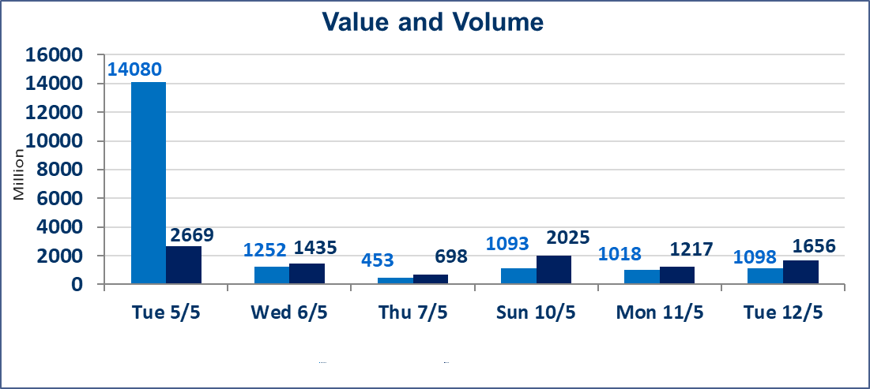
 | ISX Index 60 |  |  | 948.28 | ISX Index 15 |  |  | 1241.85
 | Previous ISX Index60 |  |  | 958.05 | Previous ISX Index15 |  |  | 1247.19
 | Change % |  |  | -1.02 | Change % |  |  | -0.43
 | Change |  |  | -9.77 | Change |  |  | -5.34

 | Listed Companies | 104 | OTC | 14 | Non Traded listed | 45 | OTC | 13
 | Traded Listed Companies | 49 | OTC | 1 | Higher Companies |  |  | 6
 | GAM Companies |  |  | 2 | Lower Companies |  |  | 22
 | Suspended Companies |  |  | 8
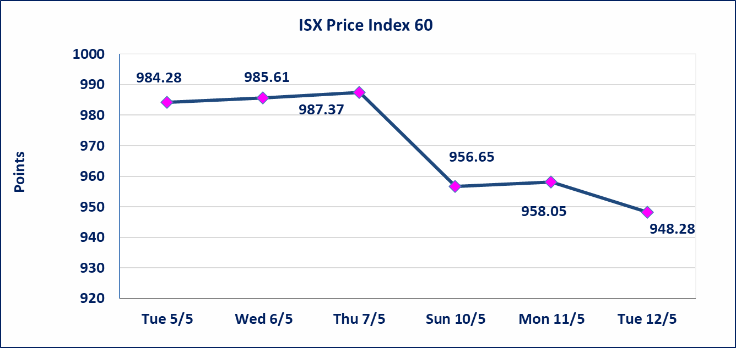
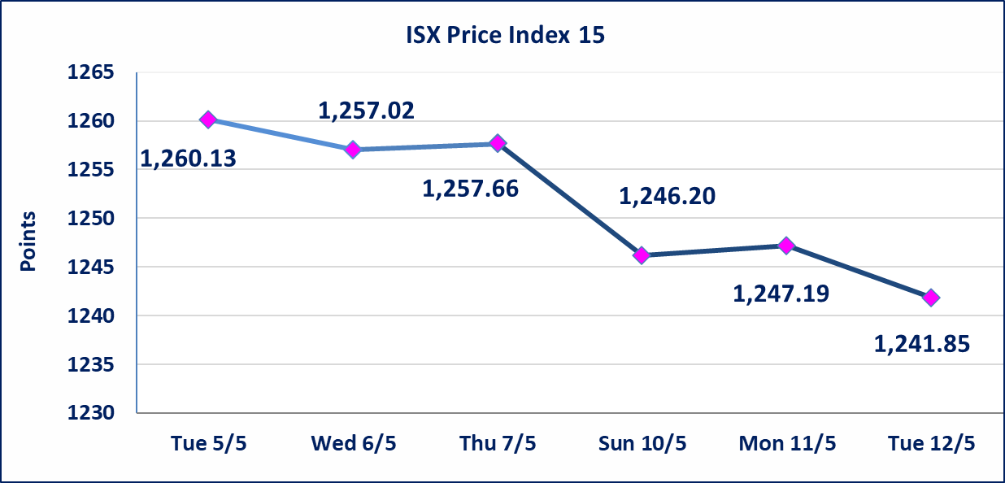

Al-Alwiya P.O . 3607 Mobile: 07711211522 - 07270094594 - 07834000034 E-mail: info-isx@isx-iq.net Web site:www.isx-iq.net

Top 5
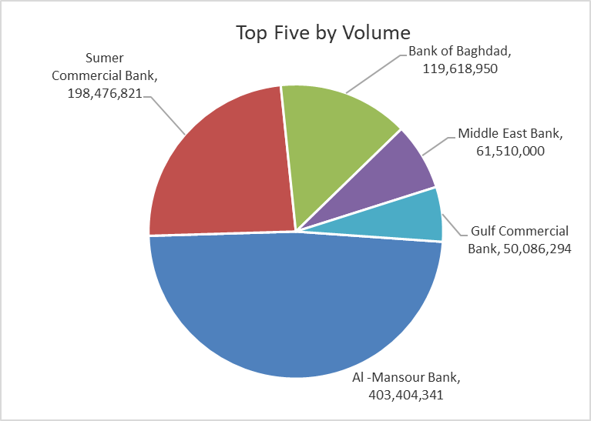
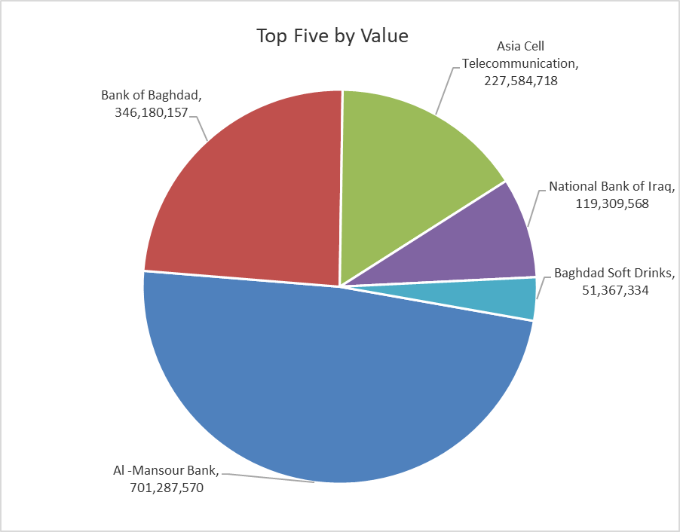

ISX top ganing and losing companies
Tuesday 12/5/2026
 | Gainers |  |  |  | Losers
 | Company Name | Closing Price | Change (%) | Traded Volume | Company Name | Closing Price | Change (%) | Traded Volume
 | Mosul Bank For Investment | 0.150 | 7.14 | 2,100,100 | Sumer Commercial Bank | 0.190 | -5.00 | 198,476,821
 | Kurdistan International Bank | 1.110 | 2.78 | 100,000 | Iraqi Date Processing and Marketing | 2.190 | -4.78 | 159,153
 | Ready Made Clothes | 2.250 | 2.27 | 4,986,271 | Al-Hamraa for Insurance | 4.500 | -4.26 | 5,000
 | Babil Animal & Vegetable Production | 10.000 | 1.11 | 147,792 | Modern Construction Materials | 1.200 | -4.00 | 600,000
 | Palestine Hotel | 18.450 | 1.10 | 105,108 | Ashur International Bank | 0.250 | -3.85 | 8,790,190
 | The most active companies in term of traded volume and value

 | Traded Volume |  |  |  | Traded Value
 | Company Name | Closing Price | Change (%) | Traded Volume | Company Name | Closing Price | Change (%) | Traded Value
 | Al -Mansour Bank | 1.730 | -1.14 | 403,404,341 | Al -Mansour Bank | 1.730 | -1.14 | 701,287,570
 | Sumer Commercial Bank | 0.190 | -5.00 | 198,476,821 | Bank of Baghdad | 2.850 | -2.73 | 346,180,157
 | Bank of Baghdad | 2.850 | -2.73 | 119,618,950 | Asia Cell Telecommunication | 16.950 | -0.24 | 227,584,718
 | Middle East Bank | 0.090 | 0.00 | 61,510,000 | National Bank of Iraq | 3.950 | 0.00 | 119,309,568
 | Gulf Commercial Bank | 0.340 | 0.00 | 50,086,294 | Baghdad Soft Drinks | 6.180 | 0.00 | 51,367,334

Non Iraqis

Iraq Stock Exchange
Non Iraqis' Bulletin Tuesday May 12 2026
Regular Market

Non Iraqi Trading of Regular Market (Buy)
Company Names | Code | No.of trades | Traded Shares | Trading Volume
Banks Sector
National Bank Of Iraq | BNOI | 20 | 10,250,000 | 40,487,500
Total Bank sector |  | 20 | 10,250,000 | 40,487,500
Grand Total |  | 20 | 10,250,000 | 40,487,500

Non Iraqi Trading of Regular Market (Sell)
Company Names | Code | No.of trades | Traded Shares | Trading Volume
Banks Sector
National Bank Of Iraq | BNOI | 44 | 25,020,000 | 98,840,035
Sumer Commerical Bank | BSUC | 1 | 600,000 | 114,000
Al-Mansour Bank | BMNS | 88 | 245,098,334 | 424,495,134
Total Bank sector |  | 133 | 270,718,334 | 523,449,169
Grand Total |  | 133 | 270,718,334 | 523,449,169

Non Iraqi Trading of Second Market (Sell)
Company Names | Code | No.of trades | Traded Shares | Trading Volume
Industry sector
Fallujah for Construction Materials | IFCM | 1 | 133,919 | 381,669
Total Industry sector |  | 1 | 133,919 | 381,669
Grand Total |  | 1 | 133,919 | 381,669

Not Trading Bonds

Iraq Stock Exchange
Tuesday 12/5/2026
Not Trading Bonds Bulletin
Bond type | Publish type | Code | last trading price | immortilize date
Banaa Bonds /Million ID | Second | CB20 | 964,981 | 19/12/2025
Eamar Bonds /Million ID | First | CB30 | 1,001,095 | ــــــــــــــــ
Eamar Bonds /Million ID | Second | CB40 | ــــــــــــــــ | ــــــــــــــــ
Eamar Bonds /500 Thousand ID | Third | CB45 | ــــــــــــــــ | ــــــــــــــــ
Eamar Bonds /Million ID | Third | CB50 | ــــــــــــــــ | ــــــــــــــــ
Injaz Bonds /500 Thousand ID | First | CB55 | ــــــــــــــــ | ــــــــــــــــ
Injaz Bonds /Million ID | First | CB60 | 951,110 | ــــــــــــــــ
Injaz Bonds /500 Thousand ID | Second | CB65 | 507,301 | ــــــــــــــــ
Injaz Bonds /Million ID | Second | CB70 | 965,050 | ــــــــــــــــ
Injaz Bonds /500 Thousand ID | Third | CB75 | ــــــــــــــــ | ــــــــــــــــ
Injaz Bonds /Million ID | Third | CB80 | 978,182 | ــــــــــــــــ
National Bonds/Million ID | First | CB90 | ــــــــــــــــ | ــــــــــــــــ
National Bonds/500 Thousand ID | Second | CB95 | ــــــــــــــــ | ــــــــــــــــ
National Bonds/Million ID | Second | CB100 | ــــــــــــــــ | ــــــــــــــــ

